Solved exercise
Tn calculation example

Line | Code | Operations Elementals
1 | private static Integer[] creating_Integer_Array (int n)
2 | {
3 | if (n <= 0) | 1
4 | throw new RuntimeException ("illegal value creating a array"); | k
5 | Integer v[] = new Integer[n]; | k
6 | int i = 0; | 2
7 | while (i < n) | 1+n | 1 of i<n
8 | {
9 | v[i++] = new Random ().nextInt (n); | 2+k
10 | }
11 | return v; | 1
12 | }

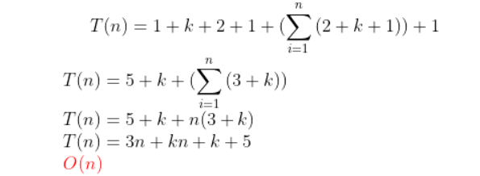
Invariant | i==n
Calculating

program source code url or gitlab URL | https://www.onlinegdb.com/wmaJjB5Ti

Formatted equations in latex: | https://latex.codecogs.com/eqneditor/editor.php

Latex example_equation
https://latex.codecogs.com/eqneditor/editor.php

Code latex:
 | T(n)= 1+k+2+1+(\sum_{i=1}^{n}\left( 2+k+1 \right)) +1\\
 | T(n)=5+k+(\sum_{i=1}^{n}\left( 3+k \right))\\
 | T(n)=5+k+n(3+k)\\
 | T(n)=3n+kn+k+5\\
 | {\color{Red} O(n)}

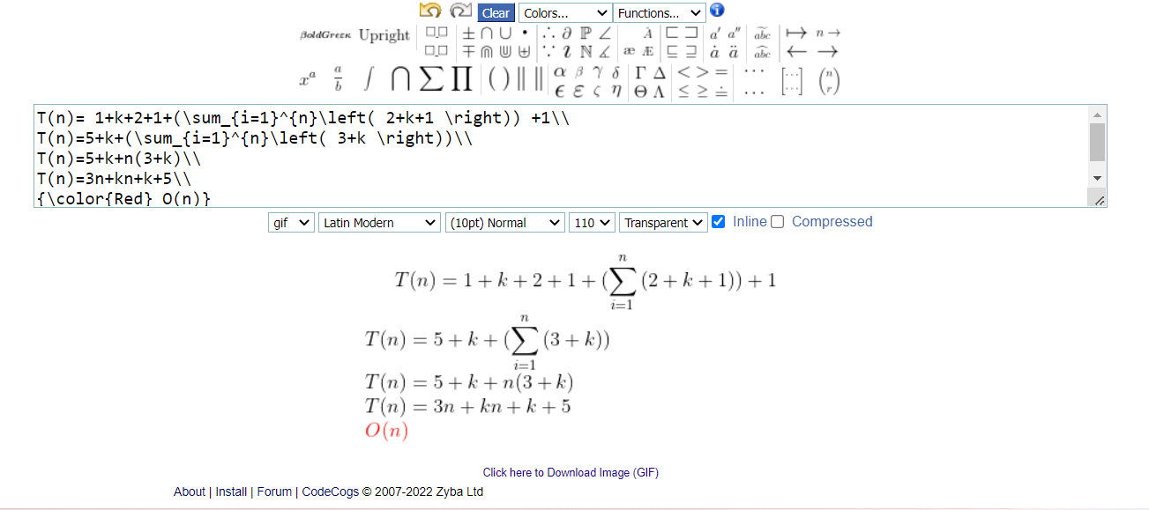
Screenshot

